Sheet1
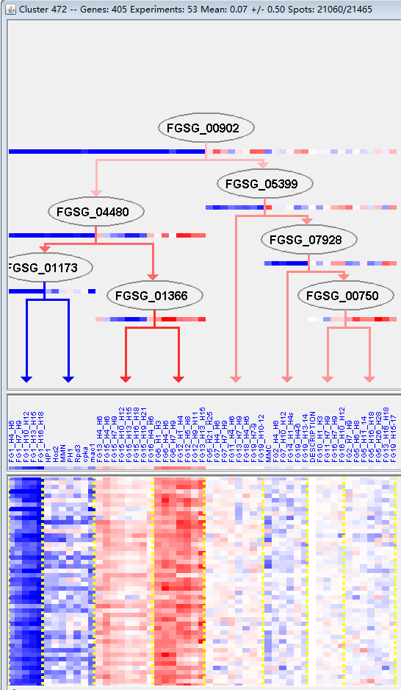
k | Filter | FUNCTIONAL CATEGORY | abs SET | rel SET | genes SET | abs GENOME | rel GENOME | rel SET/rel GENOME | P-VALUE | Bonferroni_corr | FDR
01.20.38 metabolism of toxins/drugs | 1 | 0.27 | FGSG_04845 | 1 | 0 | 0 | 0.025965572111
32.07.03 detoxification by modification | 5 | 1.39 | FGSG_11974 FGSG_04722 FGSG_04845 FGSG_07846 FGSG_09181 | 60 | 0.43 | 3.2325581395 | 0.019532788705
99 UNCLASSIFIED PROTEINS | 309 | 86 | FGSG_11641 FGSG_11601 FGSG_00001 FGSG_11650 FGSG_11652 FGSG_11661 FGSG_11666 FGSG_00104 FGSG_00105 FGSG_11676 FGSG_00112 FGSG_00120 FGSG_00141 FGSG_11683 FGSG_11691 FGSG_11712 FGSG_00222 FGSG_00232 FGSG_11719 FGSG_11723 FGSG_11728 FGSG_11730 FGSG_11744 FGSG_11751 FGSG_11759 FGSG_11764 FGSG_11766 FGSG_11785 FGSG_11801 FGSG_11807 FGSG_11818 FGSG_11838 FGSG_11857 FGSG_11860 FGSG_01061 FGSG_11911 FGSG_01269 FGSG_11929 FGSG_01451 FGSG_01500 FGSG_01518 FGSG_01546 FGSG_11975 FGSG_11983 FGSG_11998 FGSG_12008 FGSG_01779 FGSG_12060 FGSG_12074 FGSG_02176 FGSG_02178 FGSG_02195 FGSG_12084 FGSG_12086 FGSG_12113 FGSG_02340 FGSG_02372 FGSG_02380 FGSG_02389 FGSG_12148 FGSG_12157 FGSG_12162 FGSG_12190 FGSG_12191 FGSG_12198 FGSG_11523 FGSG_11541 FGSG_14014 FGSG_11574 FGSG_14020 FGSG_11581 FGSG_04687 FGSG_04682 FGSG_04649 FGSG_04638 FGSG_12218 FGSG_12220 FGSG_04541 FGSG_12245 FGSG_12247 FGSG_12257 FGSG_12262 FGSG_12265 FGSG_12279 FGSG_12286 FGSG_04228 FGSG_04145 FGSG_04133 FGSG_12311 FGSG_04066 FGSG_12333 FGSG_12334 FGSG_03943 FGSG_03899 FGSG_12354 FGSG_12363 FGSG_12367 FGSG_03820 FGSG_03806 FGSG_12393 FGSG_12411 FGSG_12412 FGSG_03503 FGSG_03470 FGSG_03382 FGSG_12449 FGSG_12454 FGSG_12465 FGSG_03302 FGSG_12473 FGSG_12484 FGSG_03196 FGSG_12499 FGSG_12501 FGSG_12526 FGSG_03043 FGSG_02989 FGSG_02979 FGSG_02962 FGSG_04714 FGSG_12598 FGSG_04754 FGSG_04785 FGSG_12639 FGSG_12653 FGSG_04962 FGSG_12655 FGSG_04963 FGSG_12661 FGSG_12674 FGSG_12679 FGSG_05356 FGSG_12727 FGSG_12735 FGSG_05534 FGSG_12753 FGSG_12762 FGSG_05626 FGSG_12771 FGSG_12777 FGSG_05662 FGSG_12790 FGSG_12803 FGSG_05782 FGSG_05807 FGSG_05832 FGSG_12822 FGSG_05849 FGSG_05946 FGSG_05976 FGSG_12892 FGSG_12894 FGSG_12903 FGSG_06357 FGSG_06360 FGSG_06476 FGSG_06485 FGSG_06487 FGSG_06490 FGSG_06522 FGSG_06608 FGSG_12951 FGSG_12953 FGSG_12963 FGSG_12964 FGSG_13001 FGSG_13013 FGSG_06898 FGSG_06980 FGSG_13035 FGSG_13047 FGSG_13048 FGSG_13050 FGSG_13078 FGSG_13079 FGSG_13080 FGSG_13082 FGSG_07297 FGSG_13117 FGSG_13125 FGSG_07353 FGSG_1313 | 7238 | 52.3 | 1.6443594646 | 8.05E-43

01.20.38 毒素代谢
32.07.03通过修改解毒
99未分类的蛋白质

